FLOW
LOCAL PART OPERATION (after report 26-Sep) |  |  |  |  |  | Revised zone

CURRENT | ORDERING | SUPPLIER | X-DOCK | RECEIVING | STAND BY | UNPACKING | PC STORE | SPS/ JUNBIKI |  | ASSY
SMQD part reflect to next order

Email
NG q'ty
need order
SMQD part

Send email to PC
PQC
❽
 |  |  |  |  |  |  |  |  |  |  | Legend: | Part flow
INFORMATION |  |  |  |  |  |  |  |  |  |  |  | Information flow
A in volume

Plan
Actual
Line progress

Order sheet
Order sheet
Delivery note/ Inv.
A UP plan
TOOL

❷
Receiving
plan/progress
Monthly order
LOT, PxP
Telemail
❹
❻
WIRE, H/ ROOF
Daily order
LOTxLOT
❸
SUPPLIER
Direct to TMV
LOT supply
ASSEMBLY
SPS Supply
A in volume/day
K = 10
C = 5
V = 80
LOTxLOT
X-DOCK
Direct to SPS
❼
PxP

Email
DOCK 3
Unloading by
Man and Forklift
FLOW
Milk run
❺
LOT supply (Small part: label, plug hole, Dam)
PC
V80
V79
K10
C5
V3
C1
V2
V1
.......
Manually calculate
& order
.......
❶
Hourly
order
Wheel disc, Tire, Battery
TRIM IN SEQUENCE
TBHN
Jundate

Junbiki 1x1
DOCK 4

 | (1) MANUAL calculate and order |  |  | (4) NOT VISUALIZE early or delay of truck |  |  | (6) MANUALLY CHECK receiving quantity |  | (7) HIGH STOCK at SPS due to PUSH supply to SPS rack
 | Risk of mistake/ wrong calculation |  |  | Can not see truck arrival and leaving time early or delay |  |  | Take time and Risk of wrong checking |  | No PC store => all stock keep at SPS rack
Kadai | (2) PUSH order by monthly |  |  | (5) MAN-FORKLIFT work together |  |  | Not real time reflect to stock data |  | (8) SMQD not real time reflect to stock data
 | Not reflect previous day stock to order timely |  |  | Packing by pallet: Unloading by forklift |  |  |  |  | SMQD send PC by email then copy to excel data base
 | (3) HIGH COST due to LOT packing |  |  | Packing without pallet: Unloading by hand
 | Can not stacking due to many box size => Milk run truck low efficiency

 | (1) SYSTEM to support calculate and order |  |  | (4) ANDON development |  |  | (6) QR CODE SCANNING SYSTEM |  | (7)-1. SET UP PC STORE
 | Auto cal. stock, compare vs pro plan and generate daily order NQC |  |  | Visualize truck arrival and leaving time early or delay |  |  | Check actual vs plan, warning if punctuality |  | Stock at PC store to minimize stock at SPS (narrow down SPS area)
Countermeasure | (2) E-MAIL KANBAN development |  |  | (5) UNLOADING BY FORKLIFT only |  |  | Save checking time |  | (7)-2. APPLY INTERNAL KB to supply part from PC to SPS
 | Daily order depend on next day NQC |  |  | Safety: Separate Man and Forklift |  |  | Real time reflect to stock data |  | PULL supply part to SPS rack
 | (3) CHANGE PATTERN from LxL to PxP |  |  | Save checking unloading time |  |  |  |  | (8) SMQD part need to order upload to system
 | Expansion PxP order |  |  | Set up stand by area for pallet waiting for UP |  |  |  |  | Real time reflect to stock data
NEW | ORDERING | SUPPLIER | X-DOCK | RECEIVING | STAND BY | UNPACKING | PC STORE | SPS/ JUNBIKI |  | ASSY
SMQD part reflect to next order
NG q'ty
need order
SMQD part
NPPM, TPMS
Upload to system
PQC
❽
Production volume
INFORMATION
❷
Receiving quantity

❹
Line progress

Email Kanban
RECEIVING ANDON
Email Kanban
Delivery note/ Inv.
K/B
QR/ORDER
SYSTEM
❶
TOOL
❻
Stock calculation
Compare vs pro plan
1/ Truck arrival
progress
2/ Unloading status
Internal KB
Telemail
KANBAN
KANBAN
KANBAN
KANBAN
KANBAN
KANBAN
RECEIVE
SCREEN
PC
OVF

Daily order
by email Kanban
Kanban qty
Check actual
receive vs plan
Instruction
to destination
K/B
❷
SUPPLIER
Direct to TMV
❼
K/B
CARD
K/B
To PC
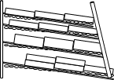
K/B
ASSEMBLY
❸
X-DOCK
K/B
SPS Supply
A in volume/day
K = 10
C = 5
V = 80
100% PxP
K/B
DOCK 3
❺
PC rack

Email
FLOW
Milk run
- Packing by pallet
- Unloading by Forklift
LOT supply (Small part: label, plug hole, Dam)
PC
To OVF
OVF rack
Hourly
order
V80
V79
K10
C5
V3
C1
V2
V1
.......
.......
Wheel disc, Tire, Battery
TBHN
TRIM IN SEQUENCE

Jundate

Junbiki 1x1
DOCK 4

OP
 | Detail Operation procedure
PROCESS | ORDERING |  |  |  | SUPPLIER |  | RECEIVING - STAND BY |  |  | UNPACKING |  | PC STORE | SPS/ JUNBIKI
JOB | ORDER PROCESS | MONTHLY ORDER | DAILY ORDER | SEND ORDER | RECEIVE ORDER | PACKING-DELIVERY | RECEIVING ANDON | PALLET STAND BY | SCAN ORDER | SCAN KANBAN | CHECK PART DESTINATION | PC/ OVF OPERATION | INTERNAL KANBAN SUPPLY
Export from system
Export from system
Receive and
print out
DETAIL OPERATION | ① Up load lastest production plan (Jig in) to system (A Jig in) & Getsudo volume | ② Export "MONTHLY ORDER" and "DELIVERY PLAN" from system by PDF file format | ② Export "DAILY ORDER/ DELIVERY NOTE" and "KANBAN" sheet from system by PDF file format | ③ Send "DAILY ORDER/ DELIVERY NOTE" and "KANBAN" to supplier ► Follow up and take action for supplier feedback (if any) | ④ Receive "DAILY ORDER/ DELIVERY NOTE" and "KANBAN" from TMV-PC anh confirm Order ► Print out for packing process | ⑤ Packing and attach KB to box accordingly ► Based on "DAILY ORDER/ DELIVERY NOTE", Loading and delivery to TMV with this paper | ⑥ Scan QR code of truck card when start unloading, scan again after finish unloading. Swap screen to input explanation for early/ delay reason ► ANDON show status of actual unloading time vs plan time | ⑦ Use fork lift to unload pallet and put on stand by area, waiting for unpacking | ⑧ Scan QR code of "DAILY ORDER/ DELIVERY NOTE" or select "ORDER NUMBER" manually ► Screen show order No. and content of this order (Part list, quantity…) | ⑨ Scan QR code of Kanban ► Screen highlight part and actual No. of box that already scan ► Alternately, scan all box in same order No. | 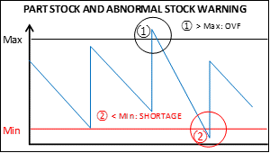 | ⑩ Supply part to PC/ or OVF follow instruction ► End of shift, check PC rack capacity remaining and supply from OVF → PC ► Record No of box at OVF at end of 2nd shift if can't re-supply | ⑪ Apply internal Kanban to supply from PC → SPS, frequency 10 TT
1
MONTHLY ORDER - NONE EPZ
1
2
3
MONTHLY ORDER - EPZ
1
2
3
PC RACK
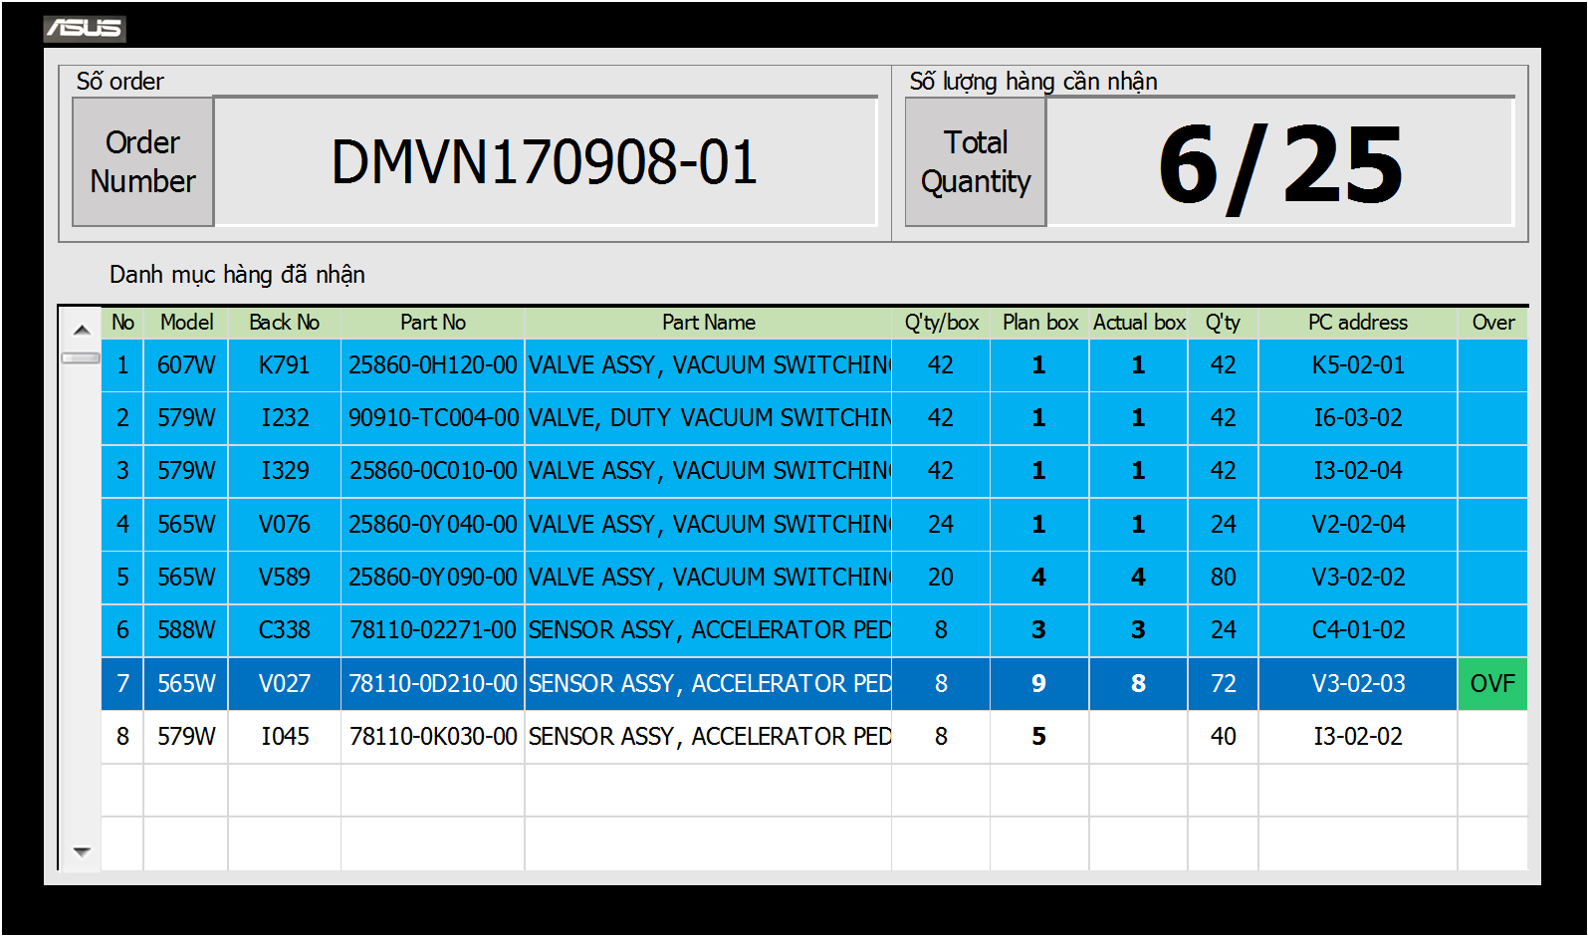
 |  |  |  |  |  |  |  |  |  |  | After scan each KB, system compare
 |  |  |  |  |  |  |  |  |  |  | stock vs PC rack capacity and show
 |  |  |  |  |  |  |  |  |  |  | instruction for destination
SERVER
Export .pdf file
Unloading by fork lift
① Stock > Max → OVF
OVF visualize screen
Attach KB
'- TMV calendar
- Order concept
........
Send email to supplier
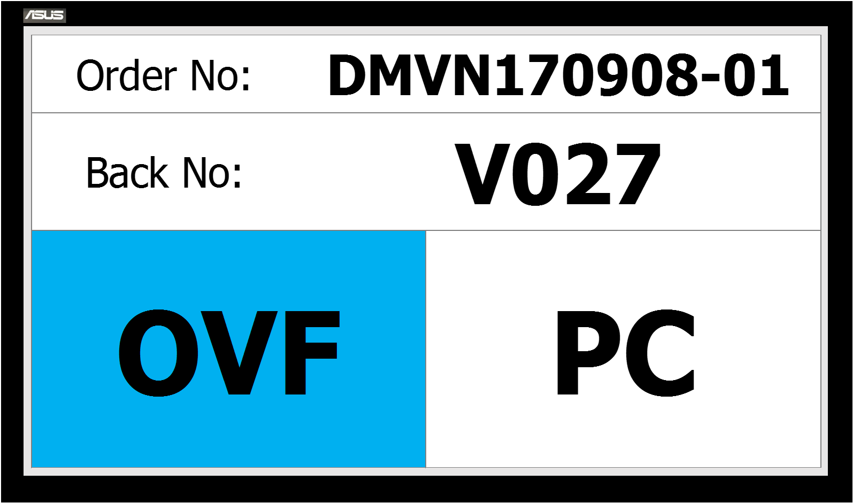
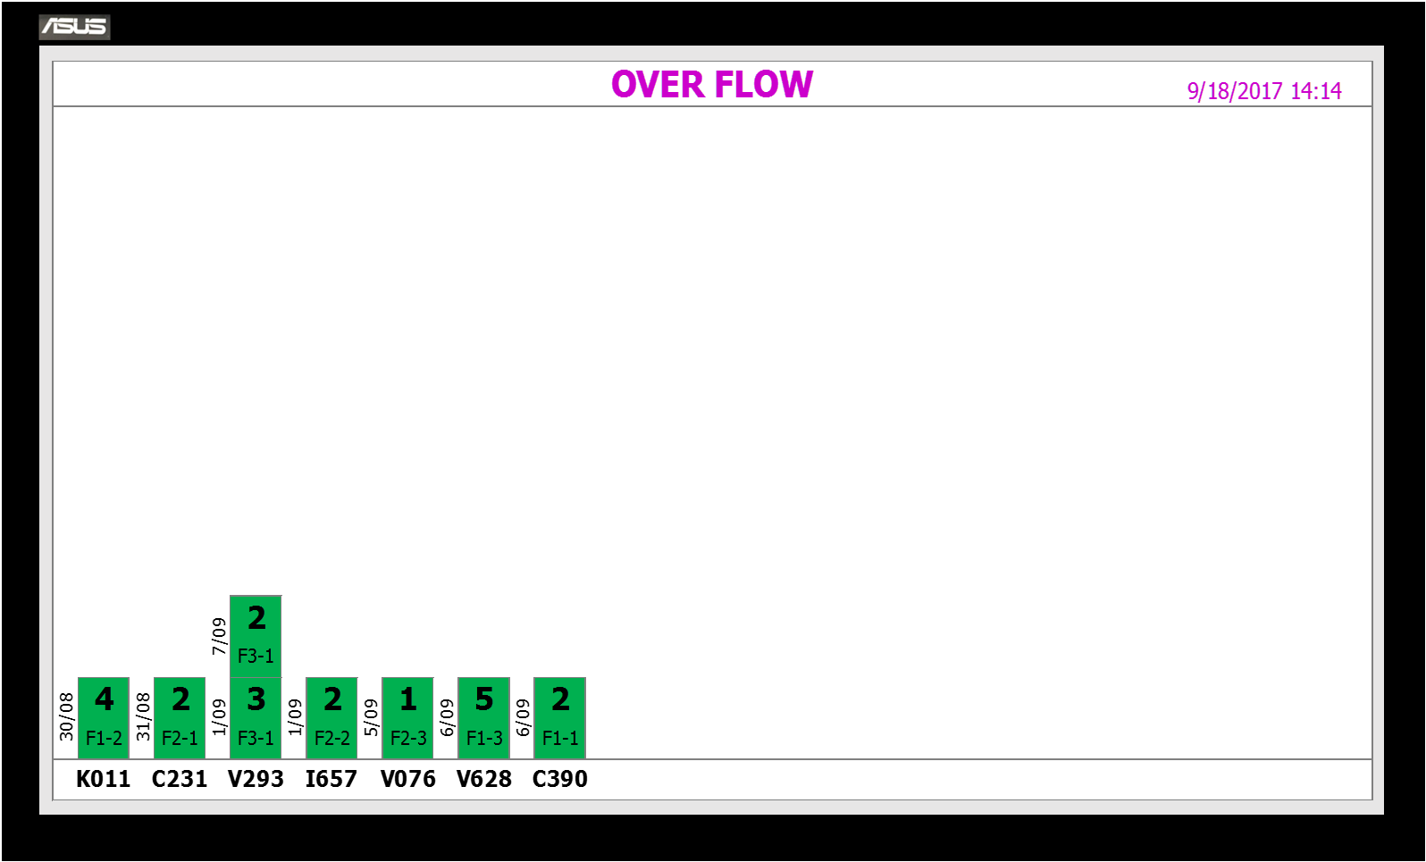
IMAGE

Packing
by pallet
Up load
data
K/B
NPPM & TPMS SYSTEM
K/B

Andon display actual
unloading status
Screen show order No
and content of this order
Highlight scanning part
and actual No of box
Loading to truck
JIG in
freq: 5 TT

2
DELIVERY PLAN
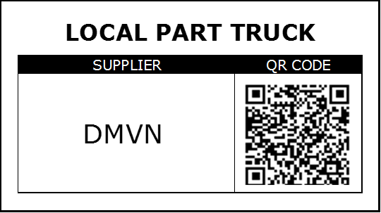
Keep pallet at stand by area,
waiting for unpacking
② Stock ≤ Max → PC

ATTACHED TO PALLET
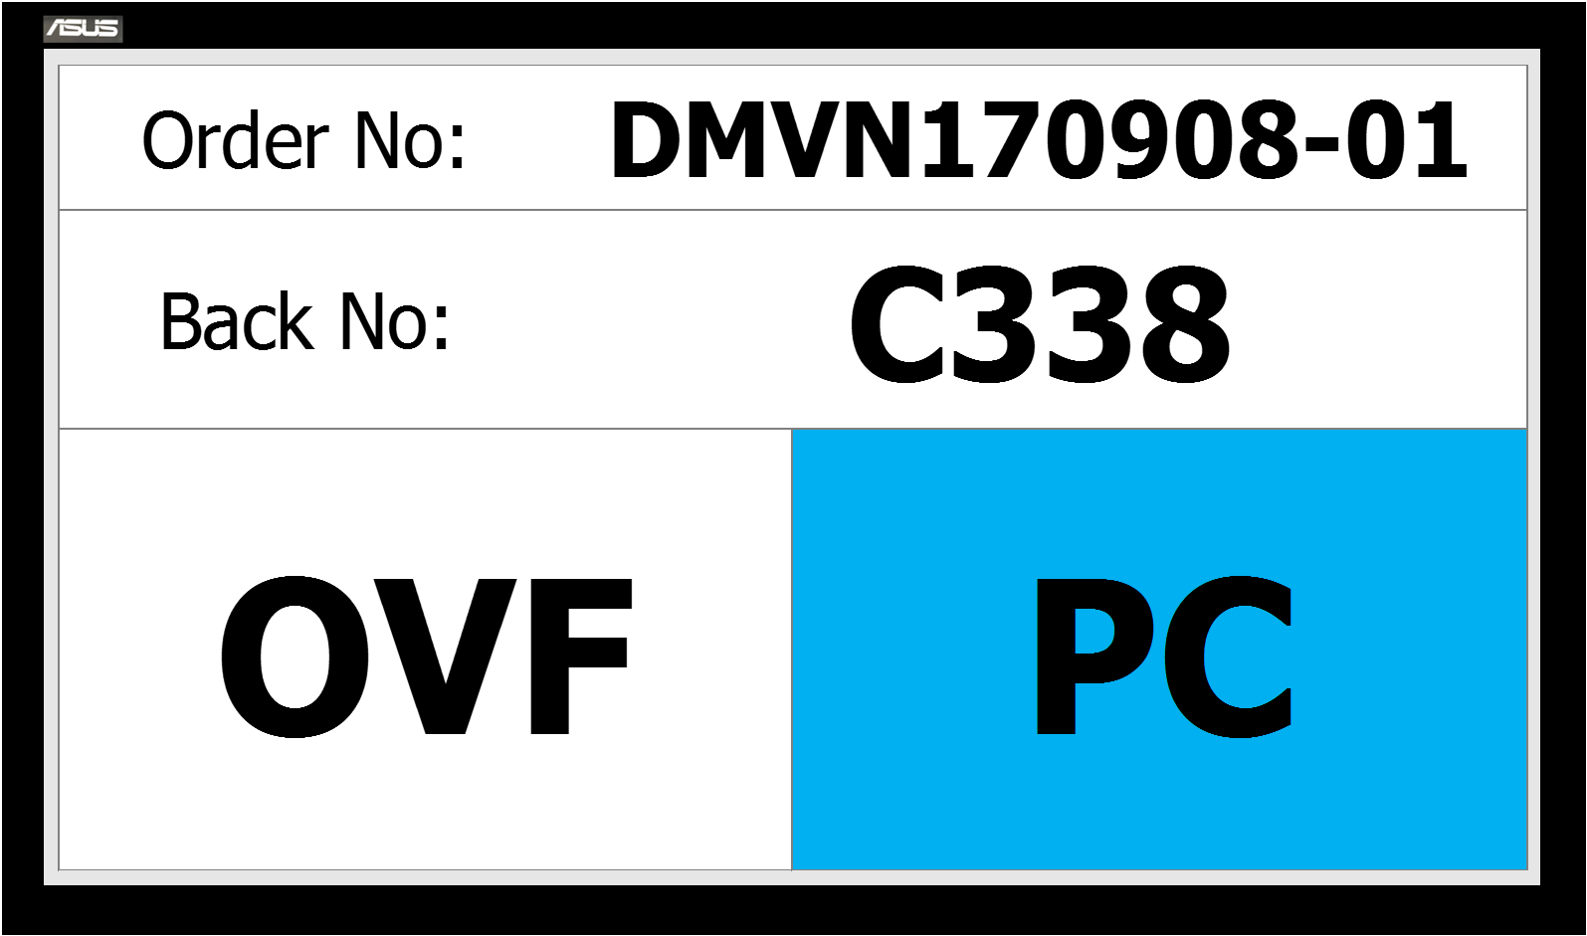
SPS RACK

Delivery to TMV with
"DAILY ORDER/ DELIVERY NOTE"

ATTACHED TO BOX

 | - ADD: Monthly/Daily issue order |  |  |  | - ADD: Daily receive order for D+1 | - NEW: Packing with Email KB | - NEW: Scanning QR code of truck | - ADD: Forklift job increase | - NEW: Scanning QR code |  |  | - NEW: Re-supply part OVF=>PC | - NEW: Internal KB operation
OPERATION | + Update production plan and upload to system |  |  |  | - NEW: Change current label by KB | + Daily receive email KB
 | + Export order from system and send to suppliers |  |  |  |  | + Print out email KB and attach to box
 |  |  |  |  |  | - NEW: Packing by pallet
 | - NEW: System development |  |  |  | - NEW: Printer for print out Kanban | - NEW: Cost of pallet | - NEW: Andon system | - ADD: Expand space for stand by | - NEW: QR code system
INVESTMENT | + QR system |  |  |  | - NEW: Cost of Kanban |  | + Softwarre |  | + Softwarre
 | + Order system: Linkage with QR, NQC linkage with NPPM, Part list & Part procument linkage with TPMS and generate monthly/daily order quatity and convert to Email kanban. |  |  |  |  |  | + Hardware |  | + Hardware

1 | Có chức năng order cho hàng lẻ ngoài |  |  |  |  |  |  |  |  | Đã tính dc hàng theo tiến độ dây chuyền thì khi nào cần cấp hàng lên Line Picking thì mới UP => Bỏ PC store
 | Làm thế nào |  |  |  |  |  |  |  |  | Check lại Log có bỏ dc không ?Vì nếu bỏ thì những hàng VD : sản xuất 15 nhưng packing 30 thì phần thừa của Box để đâu ? Nhất là những hàng Unique.

2 | Hàng RO & ECI đến time control của : N-3 khi làm đặt hàng cần

Vấn đề | N : Đổ theo A in, FC đổ theo GETSUDO (PDI out) | => Sẽ có 1 lượng gap hàng nhất định. Đặc biệt khi RO.
 | Packing khi set ban đầu cần lưu ý nếu hàng cho xe Volume ít thì packing đóng q'ty bé thôi

